Instructions
OHS Risk Register Instruction Guide

1. Determine if the hazard is relevant to your workplace by referring to the Hazard Type/ Hazard Description columns and delete the entry if not applicable.

2. Assess the Inherent Risk of the hazard in your workplace (the risk that is present prior to any risk controls being put in place).
 | Use the Risk Matrix tab to determine the Consequence and Likelihood of the risk.
 | Select the relevant Consequence and Likelihood cell and use the drop down arrows at the side of each cell to change the rating (see below circled in blue).
 | It should be noted that the drop down menu is not in the heading cell (see below circled in red). This arrow is for filtering your results (i.e. showing only those hazards with a consequence of severe).
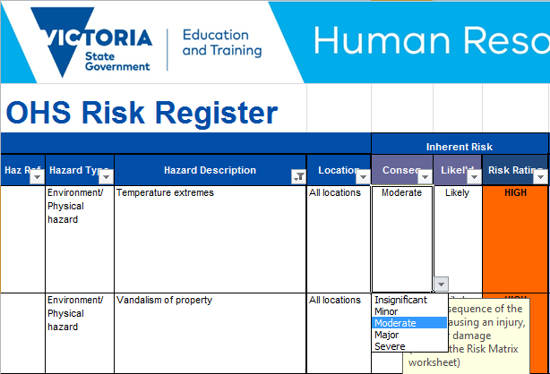

3. Copy and paste the "Suggested Department Controls" into the "Controls Implemented at the Workplace".
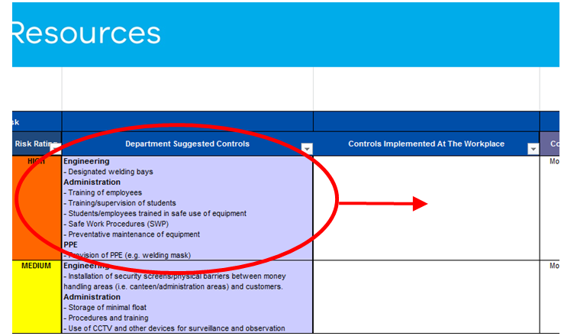

4. Delete, modify or add to the "Controls Implemented at the Workplace" to reflect your current risk controls.
 | · When you select a cell and start typing, you may find that you overwrite the contents of the entire cell. In order to edit the contents of a cell you can either double click on the cell or select it and press F2.
 | · If you press 'Enter' while working within a cell you will move to the next cell. To create an additional row within in a cell, press and hold the 'Alt' key and then press 'Enter'.
5. Once the "Controls Implemented at the Workplace" have been updated, assess the "Residual Risk" (the risk that remains following the implementation of control methods) of the hazard (the risk that remains following the implementation of controls).
6. List any controls measures that you plan to implement in the future to the "Additional Controls To Be Implemented" column
 | · If additional risk controls are required the person responsible, a proposed implementation date and relevant comments should be added under the applicable headings.
7. Continue to review each hazard entry until the register is completed.
8. If additional hazards are present in the workplace that are not listed in the pre filled template.
 | · Left click on the row number of a hazard entry to select the entire row (see below).
 | · Select copy and then paste in the new row where you would like it in the register.
 | · Modify the details of the new entry as required to reflect the conditions of the workplace.
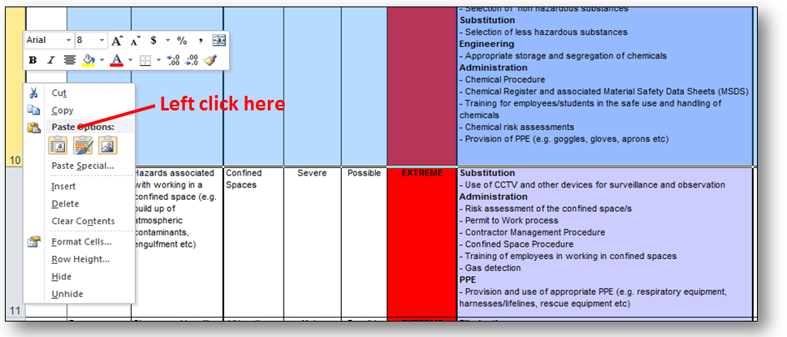

 | If you require further assistance, please contact the OHS Advisory Service on 1300 074 715. | Last Updated: 26 June 2018

Risk Matrix
